SW Block Diagram
 |  | SW Line (SIS)Block diagram LHS

Input storage

SW & Roof Bearer Robotic welding
Skeleton Tack Welding
Robotic Spot Welding
SW Robotic MIG Welding
Backpiece / Leftover welding
Out put Storage

Roof Bearer Robotic Welding Station (4.2.1)
Trade Item

SW0110 | SW0120 |  | SW0130 | SW0140 | SW0150 | SW0160

EW Block Diagram
Endwall Line Flow process for LHS & RHS Line

Input Storage

Stage- I
EW Tack welding of Sill, Arch, Rampillar and EW framework
Stage -II
Robotic Endwall Welding Station
Stage -III

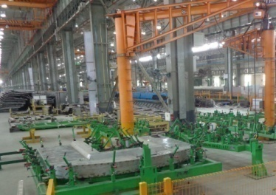
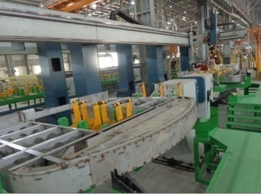
EW Repair and Leakage Testing
Output Storage

 | EW0110 | EW0120 | EW0130

Roof Block Diagram
Roof Line Block Flow process

Input Storage

Stage I B&C machine
Stage II Manual JIG 9.2
Stage III Roof Robotic Welding Station ( Post A for Topside seam and Post B for bottomside stitch welding)
Stage IV Roof Acceptance Stand and left over Welding station(13.0)
Stage V Roof Acceptance Stand and left over Welding station(11.0)

Out put Storage

 | RF0110 | RF0120 | RF0130 | RF0140 | RF0150

Shell Block diagram
Input storage
Shell Line (SIS) Flow Process LHS

Stage I
Laying, Alignment ,Tack welding, Robotic MIG Welding and Manual Welding of Shell Assemblies
Stage II

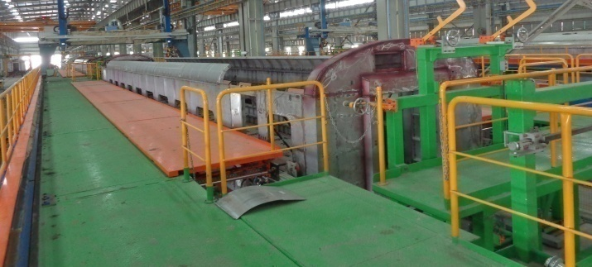
Over welding Station & Out put Storage

Post A & B

 | SH0110 | SH0120

Shell Flow Process
Shell Assembly Process chart for AC-3T
Stage/ Station (LHS) | S#/ Assembly coading | Item Description | Drg.No. | QPC | Activity | Time taken (min)

Stage-I Robotic Shell AssemblyLine at 22.2.1 (JIG I & II ) SH0110 | 1 | Under frame complete | LE11105 e | 1 | Laying, Alignment Tack welding, Robotic MIG Welding and Manual Welding of Shell Assemblies | 480
 | 2 | Door frame complete | LP10113 f | 2
 | 3 | Door frame complete | LP10112 f | 2
 | 4 | Lay out of side wall complete | LE14001 b | 1
 | a | Side wall right complete | LE14100 b | 1
 | b | Side wall Left complete | LE14101 e | 1
 | c | LAV. Side Wall coach end | 10.10113.0.20.110.018 | 1
 | d | LAV. Side Wall PP end | 10.10113.0.20.110.019 | 1
 | e | LAV. Side Wall LH | LE14235 a | 1
 | f | LAV. Side Wall RH | LE14237 a | 1
 | 5 | End wall Complete | 1.10113.0.20.120.001 | 2
 | 6 | Roof Complete | LE16100 f | 1
 | 7 | Final Roof element complete | 1 10113.0.20.200.002 C | 2
 | 8 | Roof End Complete | 1 10113.0.20.200.003 C | 2
 | 9 | Trough sheet 4x493x1940 |  | 2
 | 10 | Final roof element part LH | LE16147 | 2
 | 11 | Final roof element part RH | LE16152 | 2
 | 12 | Rain Water Gutter | 2 10113.0.20.110.103 A | 4
Stage-II Final Repair & Leakage testing SH0120 | 1 | DP Testing, and rectification and attending of left over work manually |  | 1 | Manual Welding of Shell Assembly | 120

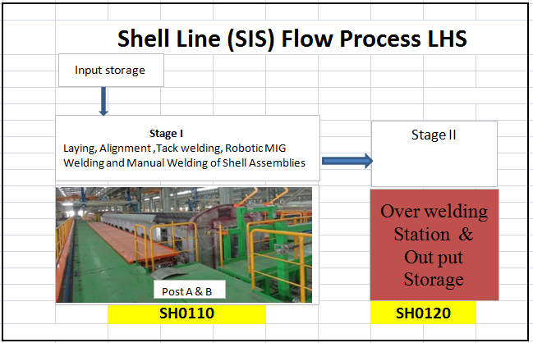
 | Total Time Taken excluding Loading unloading |  |  |  |  | 600

UNDERFRAME Block diagram
 |  |  | Underfram Front Part (SIS) Flow Process
Input storage
Loading/Unloading of U/F Front Parts by Crane

Coupler Tacking
Head Stock Skeleton
Top Side Rectification
Down Side Rectification
Under Slung Welding (Manual)
Head Stock Skeleton(Robotic Weld Station)
Head Stock Tacking Station
Head Stock Complete (Robotic Weld Station)
cover Plate Welding

1000 |  | 4000 |  | 2000 |  | 15.2.1(A) | 5000 |  | 15.2.1(B) |  |  | 15.3(A) |  | 15.3(B) | 15.3 ( C )

Underframe Line (SIS) Flow Process
Input storage
( Under Frame components from part storage 16.1 , Front Part as trade item )

Stage-II
Manual Tacking JIG of Underframe Middle Part ( 16.2 A &16.2 B)
StageIV
Rewelding (leftover work Top Side at 16.3)
Stage- I
Framing of Sub Assemblies
Stage-III
Robotic Welding Station (16.2.1A)
Stage-IV
Robotic Welding Station (16.2.1B)
Stage-VI
Manual Corrugated sheet tack welding station (17.2)
Stage-VII
Robotic Corrugated sheet stitch welding station (bottom side )18.2.1A
Output storage (16.4)
Output storage (17.3)

UF0110 | UF0210 & UF0220 |  |  | UF0310 |  | UF0320 | UF0400 |  |  | UF0500 |  |  | UF0610

Stage-VIII
Robotic Corrugated sheet seam welding station (Topside )18.2.1B
Stage-IX
Rectification and Out put Storage (18.3)
Stage-X
Manual Welding of Backpieces (Bottom side)19.2A
Stage XII
Final Inspection & Output Storage (19.3)
Input storage
(corrugated sheet-1 7.1)
Stage-XI
Manual Welding of supporting Members (Topside)19.2B
Output storage (18.4)

 | UF0620 |  |  |  | UF0700 |  |  | UF0810 |  |  | UF0820 |  |  | UF0900

UNDER FRAME FRONT PARTS
 |  | Underfram Front Part (SIS) Block Diagram
Input storage
Loading/Unloading of U/F Front Parts by Crane

Coupler Tacking
Head Stock Skeleton
Top Side Rectification
Down Side Rectification
Under Slung Welding (Manual)
Head Stock Skeleton(Robotic Weld Station)
Head Stock Tacking Station
Head Stock Complete (Robotic Weld Station)
cover Plate Welding

1000 | 4000 |  | 2000 | 15.2.1(A) | 5000 | 15.2.1(B) | 15.3(A) | 15.3(B) | 15.3©

Underframe Flow Process
 |  | Underframe Line Proccess Chart
Stage/ Station Code | S#/ Assembly coading | Item Description | Drg.No. | QPC | Activity | Time taken (min)
Stage-I Sub Assemblies JIG 16.2 UF0110 | A1 | Provisions for 450L water Tank | LW11102 | 1
 | 1 | Member Complete | LW11103 | 1 | Fabrication of Battery Box S. assembly, Pump mounting Bracket, Electrical RBC channel and other cross member sub assemblies | 170
 | (i) | MEMBER | LW11107 | 1
 | (ii) | RIB | LW11108 | 2
 | 2 | Member Complete | LW11104 | 1
 | (i) | MEMBER | LW11107 | 1
 | (ii) | RIB | LW11108 | 2
 | 3 | Member Complete | LW11105 | 1
 | (i) | MEMBER | LW11108 | 2
 | (ii) | RIB | LW11110 | 1
 | 4 | Member Complete | LW11106 | 1
 | (i) | MEMBER | LW11108 | 2
 | (ii) | RIB | LW11110 | 1
 | A2 | Member complete | 2 10113.0.03.100.010 D | 1
 | (i) | MEMBER | 2 10113.0.03.100.110 B | 1
 | (ii) | WEB | 4 10113.0.03.100.116 | 2
 | A3 | Crossmember complete | 2 10113.0.03.100.012 A | 2
 | (i) | FLANGE | 3 10113.0.03.100.155 | 1
 | (ii) | FLANGE | 3 10113.0.03.100.156 | 1
 | A4 | Bracket complete | 2 10113.0.03.100.017 A | 2
 | (i) | BRACKET | 2 10113.0.03.100.165 | 1
 | (ii) | FLANGE PLATE | 2 10113.0.03.100.166 | 1
 | (iii) | RIB | 4 10113.0.03.100.167 | 1
 | (iv) | RIB | 4 10113.0.03.100.168 | 1
 | A5 | BRACKET COMPLETE | 2 10113.0.03.100.018 | 2
 | (i) | BRACKET | 2 10113.0.03.100.169 | 1
 | (ii) | FLANGE PLATE | 2 10113.0.03.100.170 | 1
 | (iii) | RIB | 4 10113.0.03.100.167 | 3
 | (iv) | RIB | 4 10113.0.03.100.168 | 3
 | A6 | CROSS MEMBER COMPLETE | 2 10113.1.03.100.022
 | (i) | CROSS MEMBER | 2 10113.1.03.100.184 | 1
 | (ii) | RIB | 4 10113.0.03.100.162 | 3
 | (iii) | REINFORCEMENT | 3 10113.0.03.100.161 | 1
 | (iv) | REINFORCEMENT | 4 10113.0.03.100.163 | 1
 | A7 | CROSS MEMBER COMPLETE | 2 10113.1.03.100.023 | 1
 | (i) | CROSS MEMBER | 2 10113.1.03.100.185 | 1
 | (ii) | RIB | 4 10113.0.03.100.162 | 3
 | (iii) | REINFORCEMENT | 3 10113.0.03.100.161 | 1
 | (iv) | REINFORCEMENT | 4 10113.0.03.100.163 | 1
 | A8 | CROSS MEMBER COMPLETE | 2 10113.1.03.100.024 | 1
 | (i) | CROSS MEMBER | 2 10113.1.03.100.186 | 1
 | (ii) | RIB | 4 10113.0.03.100.162 | 3
 | (iii) | REINFORCEMENT | 3 10113.0.03.100.161 | 1
 | (iv) | REINFORCEMENT | 4 10113.0.03.100.163 | 1
 | A9 | Crossmember complete | LE11196 | 1
 | (i) | crossmember | LE11199 | 1
 | (ii) | Rib | LE11203 | 3
 | (iii) | Reinforcement | LE11202 | 1
 | (iv) | Reinforcement | LE11204 | 1
 | A10 | Crossmember complete | LE11197 | 1
 | (i) | crossmember | LE11200 | 1
 | (ii) | Rib | LE11203 | 3
 | (iii) | Reinforcement | LE11202 | 1
 | (iv) | Reinforcement | LE11204 | 1
 | A11 | Crossmember complete | LE11198 | 1
 | (i) | crossmember | LE11201 | 1
 | (ii) | Rib | LE11203 | 3
 | (iii) | Reinforcement | LE11202 | 1
 | (iv) | Reinforcement | LE11204 | 1
 | A | Underframe frame work | LE11269 c | 1 | Framing, fitment & welding with BO front Part of Underframe middle parts | 220
Stage-II | 1 | Underframe front part | LE11166 a | 2
Manual Tacking JIG of Underframe Middle Part at Station (16.2A &16.2B) UF0210 & UF0220 | 2 | Sole bar complete | LS11104 b | 2
 | a | SOLE BAR COMPLETE | LS11164 a | 1
 | (i) | SOLE BAR | LS11166 | 1
 | (ii) | FLANGE PLATE | LS11168 | 1
 | (iii) | FLANGE PLATE | 3 10113.0.03.100.196 | 2
 | b | SOLE BAR COMPLETE | 1 10113.1.03.100.026 | 1
 | (i) | SOLE BAR | 2 10113.1.03.100.193 | 1
 | (ii) | FLANGE PLATE | 3 10113.1.03.100.196 | 3
 | c | SOLE BAR COMPLETE | LS11165 A | 1
 | (i) | SOLE BAR | LS11167 | 1 | Time recorded for one station is 440 min which reduces to 220 with two stations provided.
 | (ii) | FLANGE PLATE | LS11169 | 1
 | (iii) | FLANGE PLATE | 3 10113.1.03.100.196 | 2
 | 3=A3 | Crossmember complete | 2 10113.0.03.100.012 A | 2
 | 4 | Crossmember | 2 10113.1.03.100.175 | 1
 | 5 | Rib | 4 11012.0.03.095.176 A | 8
 | 6 | Member | 2 11013.0.03.095.174 | 1
 | 7 | Crossmember | 2 11013.1.03.100.176 | 4
 | 8 | Crossmember | 2 11013.1.03.100.177 | 1
 | 9=A9 | Crossmember complete | LE11196 | 1
 | 10 | Crossmember | LE11194 | 1
 | 11 | Crossmember | 2 11013.1.03.100.179 | 7
 | 12 | Crossmember | LE11195 | 1
 | 13=A10 | Crossmember complete | LE11197 | 1
 | 14=A11 | Crossmember complete | LE11198 | 1
 | 15 | Member | 2 10113.0.03.095.175 | 1
 | 16 | Member | 2 11013.1.03.100.181 | 1
 | 17 | Member | 2 11013.1.03.100.182 | 1
 | 18 | Covering plate | 2 11013.1.03.100.183 | 2
 | 19 | Lower flange | 3 11013.1.03.100.197 A | 1
 | 20 | Member | 2 10113.0.03.100.141 | 1
 | 21 | Member | 1 10113.0.03.100.142 | 1
 | 22 | Member | 2 10113.0.03.100.101 B | 1
 | 23 | Member | 2 10113.0.03.100.123 B | 1
 | 24=A2 | Member complete | 2 10113.0.03.100.010 D | 1
 | 25 | Lower flange | 3 10113.1.03.100.198 A | 1
 | 26 | Member | LE11147 | 1
 | 27 | Member | 2 10113.0.03.100.145 B | 2
 | 28 | Member complete | LE11280 | 1
 | (i) | member | LE11256 | 1
 | (ii) | rib | 4 10113.0.03.100.162 | 6
 | (iii) | reinforcement | 3 10113.0.03.100.161 | 1
 | (iv) | reinforcement | 4 10113.0.03.100.163 | 2
 | 29 | Member complete | LE11281 | 1
 | (i) | member | LE11257 | 1
 | (ii) | rib | 4 10113.0.03.100.162 | 6
 | (iii) | reinforcement | 3 10113.0.03.100.161 | 1
 | (iv) | reinforcement | 4 10113.0.03.100.163 | 2
 | 30 | Lower flange | 3 10113.1.03.100.199 A | 1
 | 31 | Member | LE11145 | 1
 | 32 | Member | 2 10113.0.03.100.118 B | 1
 | 33 | Member | 2 10113.0.03.100.119 B | 1
 | 34 | Member | 2 10113.0.03.100.149 B | 1
 | 35 | Member | 2 10113.0.03.100.150 B | 1
 | 36 | Member | 2 10113.1.03.100.187 | 1
 | 37 | Member | 2 10113.1.03.100.188 A | 1
 | 38 | Rib | 3 10113.1.03.100.189 | 8
 | 39 | Covering plate | 2 10113.1.03.100.190 | 2
 | 40 | Stiffening | 2 10113.1.03.100.191 | 4
 | 41 | Rib | 4 10113.0.03.100.121 | 36
 | 42 | Rib | 3 10113.1.03.100.201 | 4
 | 43 | Web | 3 10113.0.03.100.125 | 4
 | 44 | Lower flange | 3 10113.0.03.100.126 | 4
 | 45 | Lower flange | 3 10113.1.03.100.200 | 1
 | 46 | Rib | 4 10113.1.03.100.202 | 8
 | 47=A4 | Bracket complete | 2 10113.0.03.100.017 A | 2
 | 48 | Bracket complete | LE11279 | 2
 | (i) | bracket | LE11263 | 1
 | (ii) | flange plate | 2 10113.0.03.100.170 | 1
 | (iii) | rib | 4 10113.0.03.100.167 | 3
 | (iv) | rib | 4 10113.0.03.100.168 | 3
 | 49 | Bracket | 4 10113.0.03.100.164 | 1
 | 50 | Closing angle | LG11110 b | 4
 | 51 | Channel for door fixing | LG11137 | 4
 | 52 | Bracket | 4 10113.0.03.095.116 A | 4
 | 53 | Bracket 4x30x162 | nil | 4
 | 54 | Bracket 4x30x120 | nil | 4
 | 55 | Bracket | LE11394 | 1
 | 56 | Bracket 4x30x120 | Le11395 | 1
 | 57=A6 | CROSS MEMBER COMPLETE | 2 10113.1.03.100.022
 | 58=A7 | CROSS MEMBER COMPLETE | 2 10113.1.03.100.023 | 1
 | 59=A8 | CROSS MEMBER COMPLETE | 2 10113.1.03.100.024 | 1
 | 60=A5 | BRACKET COMPLETE | 2 10113.0.03.100.018 | 2
Stage-III Robotic Welding Station at 16.2.1A Station UF0310 | A | Underframe frame work | LE11269 c | 1 | Robotic Welding upside of Underframe | 263
Stage-IV Robotic Welding Station at 16.2.1 B UF0320 | A | Underframe frame work | LE11269 c | 1 | Robotic Welding downside of Underframe | 263
Stage-V Repair station 16.3 (Top Side ) UF0400 | A | Underframe frame work | LE11269 c | 1 | Repair & leftover work by manual welding Top Side | 330
Stage-VI | B(1to 7) | Trough Sheets |  |  | Corrugated Sheets Tack welded to Underframe frame work | 420
Manual Corrugated sheet tack welding station at 17.2 UF0500 | 1 | TROUGH FLOOR (10 FL) | 2 10113.0.03.210.100 | 6
 | 2 | TROUGH FLOOR (10 FL) | LE11157a | 1
 | 3 | TROUGH FLOOR (10 FL) | LE11158 a | 1
 | 4 | TROUGH FLOOR (12 FL) | RCF-RBL-DRG-24 | 12
 | 5 | TROUGH FLOOR (4 FL) | RCF-RBL-ORG-25 | 4
 | 6 | COVERING SHEET | 3 10113.0.03.000.102 | 2
 | 7 | CONNECTING SHEET | 3 10113.0.03.000.101 | 10
 | C = A+B |  |  | 1
Stage-VII Robotic Corrugated sheet stitch welding station (bottom) at 18.2.1A UF0610 | C | Underframe frame work with corrugated sheet |  | 1 | Robotic Corrugated sheet stitch welding done | 493
Stage-VIII Robotic Corrugated sheet seam welding station (Top) at 18.2.1B UF0620 | C | Underframe frame work with corrugated sheet |  | 1 | Robotic Corrugated sheet seam welding done | 253
Stage-IX Rectification and Out put Storage at18.3 UF0700 | C | Underframe frame work with corrugated sheet |  | 1 | Attending of leftover work and rectification of weld defects | 417
Stage-X | D(1 to 59) | Underframe Welding Parts | 1 11012.0.03.095.001 |  | Manual Welding of Backpieces at Bottom side of underframe
 | 1 | BRACKET | 3 10113.0.03.095.150 | 2
Manual Welding of Backpieces (Bottom side) at 19.2A station UF0810 | 2 | BRACKET(BC) | 3 10113.0.03.095.151 | 2
 | 3 | BRACKET | 3 10113.0.03.095.180 | 2
 | 4 | BRACKET | 4 10113.0.03.095.181 | 1
 | 5 | BRACKET | 2 10113.0.03.095.183 A | 2 |  | 390
 | 6 | BRACKET | 3 10113.0.03.095.187 | 2
 | 7 | BRACKET | 4 10113.0.03.095.188 | 1
 | 8 | Side sill | 3 10113.0.03.095.189 | 1
 | 9 | BRACKET | 3 10113.0.03.095.190 | 1
 | 10 | BRACKET (BC) | 3 10113.0.03.095.191 | 1
 | 11 | BRACKET (BC) | 3 10113.0.03.095.192 | 1
 | 12 | BRACKET | 2 10113.0.03.095.193 | 1
 | 13 | BRACKET | 3 10113.0.03.095.194 | 1
 | 14 | BRACKET | 3 10113.0.03.095.201 | 1
 | 15 | BRACKET | 4 10113.0.03.095.116 A | 4
 | 16 | BRACKET(BC) | 3 10113.0.03.095.139 A | 2
 | 17 | BRACKET | 3.10113.0.03.095.216 | 3
 | 18 | BRACKET(BC) | 3 10113.0.03.095.145 B | 2
 | 19 | BRACKET(BC) | 3 10113.0.03.095.143 A | 2
 | 20 | BRACKET(BC) | 3 10113.0.03.095.146 A | 2
 | 21 | BRACKET(BC) | 3 10113.0.03.095.144 A | 2
 | 22 | BRACKET | 3.10113.0.03.095.149 | 8
 | 23 | BRACKET | 4.10113.0.03.095.142 | 2
 | 24 | BRACKET | 3 10113.0.03.095.177 | 4
 | 25 | BRACKET(BC) | 2 10113.0.03.095.153 A | 2
 | 26 | BRACKET | 2 10113.0.03.095.154 A | 2
 | 27 | BASE PLATE | 4.10113.0.03.095.156 | 2
 | 28 | RIB | 4.10113.0.03.095.161 | 2
 | 29 | BRACKET | 3 10113.0.03.095.157 | 1
 | 30 | BRACKET | 3 10113.0.03.095.158 A | 1
 | 31 | BRACKET | 3 10113.0.03.095.159 | 4
 | 32 | BRACKET | 3 10113.0.03.095.160 A | 1
 | 33 | BASE PLATE | 4.10113.0.03.095.167 | 2
 | 34 | RIB | 4.10113.0.03.095.168 | 2
 | 35 | MEMBER | 3 10113.0.03.095.164 | 1
 | 36 | BRACKET | 3 10113.0.03.095.165 A | 2
 | 37 | BRACKET | 3 10113.0.03.095.166 A | 2
 | 38 | BRACKET | 4 10113.0.03.095.217 | 3
 | 39 | BRACKETS | LE11464 | 2
 | 40 | BRACKETS | LE11465 | 2
 | 41 | BRACKETS | LE11466 | 2
 | 42 | HUB FLANGE | 3.10113.0.03.130.145 | 8
 | 43 | BRACKETS | LE11467 | 2
 | 44 | RIB | MI004924 | 4
 | 45 | RIB | MI004925 | 4
 | 46 | Stop | 3.10113.0.03.095.121 | 4
 | 47 | Rib | 3.10113.1.03.100.189 | 8
 | 48 | Bracket | 3.10113.0.03.095.149 | 8
 | 49 | 68S Water Tank Bkt | 824.8.6003 Alt D | 2
 | 50 | Set of Console | 2.10113.0.03.095.022 & 23 ALT-R | 1
 | 51 | 450 Water tank Bracket |  | 2
 | 52 | Angle | 3.10113.0.03.210.101 | 4
 | 53 | Side sill | 3.10113.03.095.102 | 8
 | 54 | Grounding Flap | 4.10113.0.03.095.178 | 17
 | 55 | Bracket | 4.10113.0.03.095.142 | 2
 | 56 | Bracket Complete | 3.10113.0.03.095.002 | 4
 | 57 | Mtg. Bracket | LE11310 | 1
 | 58 | Closing angle | LG-11110 | 4
 | 59 | Protection Case | V12030 | 4
 | C+D | Welding parts welded at bottom of Underframe
Stage-XI | E(1 to 23) | Supporting Members
 | 1 | MEMBER | 3 10113.0.03.095.105 | 23 | Supporting members are welded at Topside of underframe
Manual Welding of supporting members (Top side) at 19.2B station UF0820 | 2 | MEMBER | 310113.0.03.095.110 | 122
 | 3 | MEMBER | 310113.0.03.095.109 | 2 |  | Now being done in shell shop
 | 4 | MEMBER | 310113.0.03.095.112 | 2
 | 5 | BRACKET | 310113.0.03.095.007 item-02 | 2
 | 6 | web | 310113.0.03.095.007 item-03 | 2
 | 7 | BRACKET | 310113.0.03.095.008 item-02 | 2
 | 8 | Side sill | 310113.0.03.095.009 item-02 | 2
 | 9 | MEMBER | 310113.0.03.095.113 | 105
 | 10 | BRACKET | 310113.0.03.095.010 item-02 | 105
 | 11 | BRACKET | 310113.0.03.095.003 item-02 | 117
 | 12 | MEMBER | LH10145 | 34
 | 13 | BRACKET | LW10143002 a. | 102
 | 14 | CHANNEL | LW10151001 a | 29
 | 15 | BRACKET | LW10151002 a | 29
 | 16 | BRACKET | LE10158001 | 2
 | 17 | CHANNEL | LE10158002 | 2
 | 18 | MEMBER | LE10159 a | 11
 | 19 | MEMBER | LE10160 a | 2
 | 20 | MEMBER | LE10161 a | 2
 | 21 | CHANNEL | LE10177001 | 4
 | 22 | FLAT | LE10177002 | 4
 | 23 | Bracket. Complete | 3.10113.0.03.095.013 | 8
 | C+D+E | Underframe Complete | LE11105 alt h | 1
Stage XII Final Inspection (19.3 station) UF0900 | F= (C+D+E) | Underframe Complete | LE11105 alt h | 1 | Final Inspection and attending of leftover work
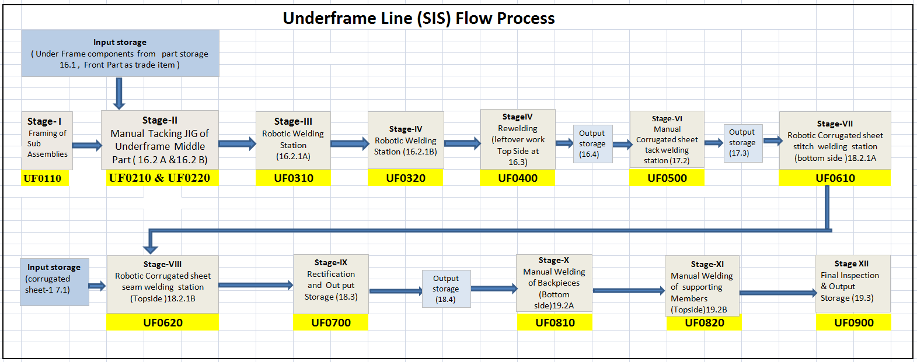

 |  |  |  |  |  |  | 1

